IUD KIT
Daftar Barang IUD KIT

No | Nama | Gambar
1 | Bak instrumen | 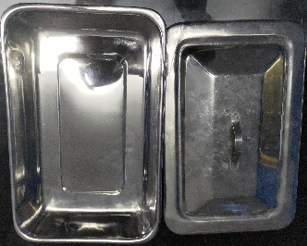 | ok
2 | Speculum Vaginal Graves | 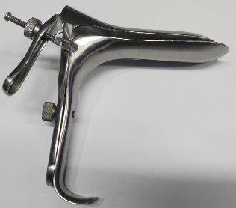
3 | Forcep Sponge Foster Straight, ukuran 25-27 cm
4 | Forcep Tenacullum Schroeder, ukuran 25 – 27 cm
5 | Sonde Uterine Sims, ukuran 32-33 cm
6 | Scissor Operating Mayor curved
7 | IUD Removal Hook, ukuran 32 cm
8 | Alligator Ekstraktor | 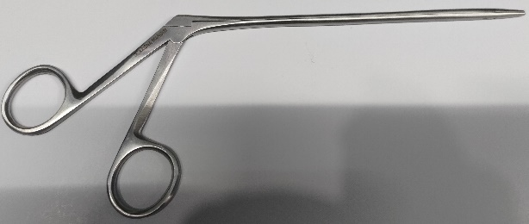
9 | Klem Long Kelly/Klem Fenster Bengkok, ukuran 24 cm
10 | Mangkok antiseptik, diameter 6-8 cm | 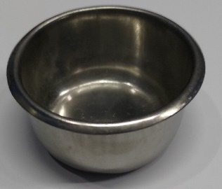 | ok

IMPLAN REMOVAL KIT
Daftar Barang IMPLANT REMOVAL KIT

No | Nama | Gambar
1 | Bak instrumen |  | ok
2 | Pinset anatomis,ukuran 13-18 cm |  | ok
3 | Gagang pisau (Scalpel Handle), ukuran 12-13 cm |  | ok
4 | Forceps artery/hemostatic halsted, Mosquito curved, ukuran 12.5 cm | 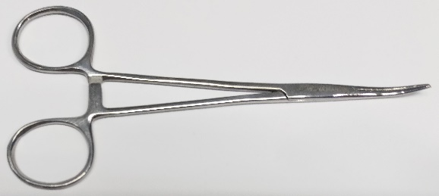
5 | Forceps artery/hemostatic halsted, Mosquito straight, ukuran 12.5 cm | 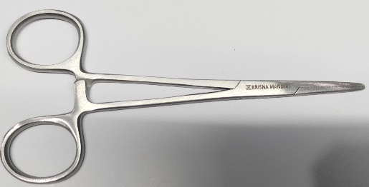
6 | Mangkok antiseptik, diameter 6-8 cm |  | ok

